pivot table
Distance
 | No | Yes
0-1 Miles | 18 | 13
1-2 Miles | 7 | 5
2-5 Miles | 4 | 12
5-10 Miles | 7 | 1
Morethan 10 Miles | 4
Count of Purchased Bike | Column Labels
Row Labels | No | Yes | Grand Total
0-1 Miles | 18 | 13 | 31
1-2 Miles | 7 | 5 | 12
2-5 Miles | 4 | 12 | 16
5-10 Miles | 7 | 1 | 8
Morethan 10 Miles | 4 |  | 4
Grand Total | 40 | 31 | 71

Income per purchase

Average of Income | Column Labels
Row Labels | No | Yes | Grand Total
Female | ₦66,429 | ₦66,000 | ₦66,207
Male | ₦75,385 | ₦70,625 | ₦73,571
Grand Total | ₦72,250 | ₦68,387 | ₦70,563

Customer Age Bracket

Count of Purchased Bike | Column Labels
Row Labels | No | Yes | Grand Total
Middle age | 25 | 30 | 55
Old | 15 | 1 | 16
Grand Total | 40 | 31 | 71

Dashborad
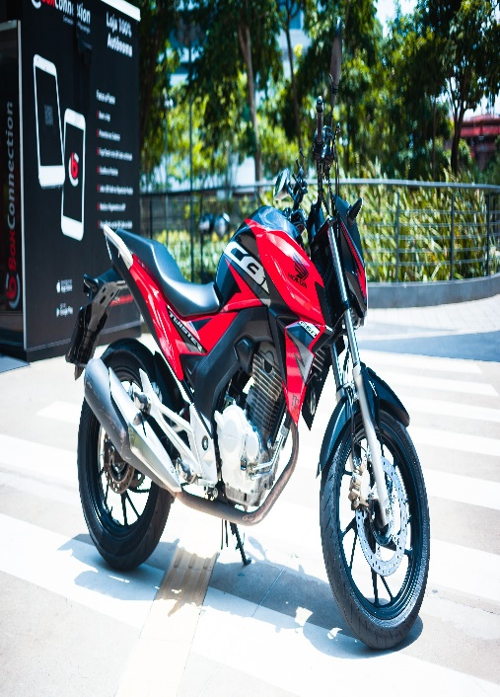
Bike Sales Dashborad

Income per purchase
 | No | Yes
Female | ₦66,429 | ₦66,000
Male | ₦75,385 | ₦70,625
Customer Age Bracket
 | No | Yes
Middle age | 25 | 30
Old | 15 | 1

Distance
 | No | Yes
0-1 Miles | 18 | 13
1-2 Miles | 7 | 5
2-5 Miles | 4 | 12
5-10 Miles | 7 | 1
Morethan 10 Miles | 4

